Cover Sheet
Nuclear Energy University Program Research Performance Progress Report
PROJECT TITLE: | Project Title
Federal Grant / Cooperative Agreement Number (CID): | DE-NE0009999

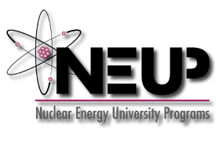

Mid-Year Report (October-March)
Report Submitted to | DOE-NE | Submission Date |  | 2024-04-30
DUNS Number |  | Reporting Period End Month |  | Mar FY24

Principal Investigator | Firstname Lastname | PI E-mail | firstname.lastname@university.edu
PI Title |  | PI Phone | 301-867-5309

Name of Submitting Official |  | E-mail
Submitting Official Title |  | Phone

Recipient Organization
Recipient Address
Project Start Date | 2022-10-01 06:00:00
Project End Date | 2025-09-30 06:00:00

Signature of Submitting Official

Submit online to: | https://www.fedconnect.net
And submit via e-mail to | INRREPORTS@INL.GOV; psdrept@id.doe.gov; neup@id.doe.gov; neupawards@alleghenyst.com; Federal Manager; DOE-ID TPO
Message Subject Line: | DE-NE0009999, Mid-Year Report (October-March).
Government Use Only:
Project Number | 22-#####
Work Package ID | WP #

